Sheet1
DATE | INV NO. | BILLS | TOTAL | STATUS
2025-10-01 | 0369 | 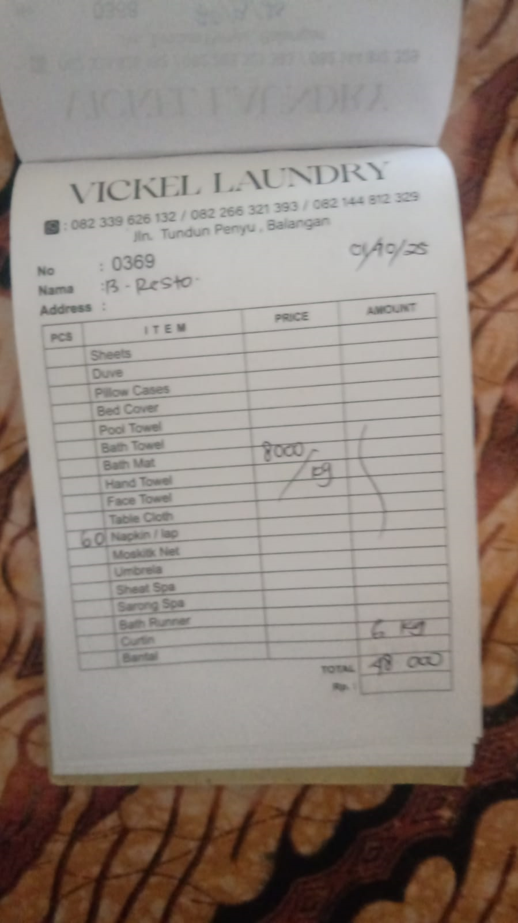 | IDR 48,000
2025-10-02 | 0370 | 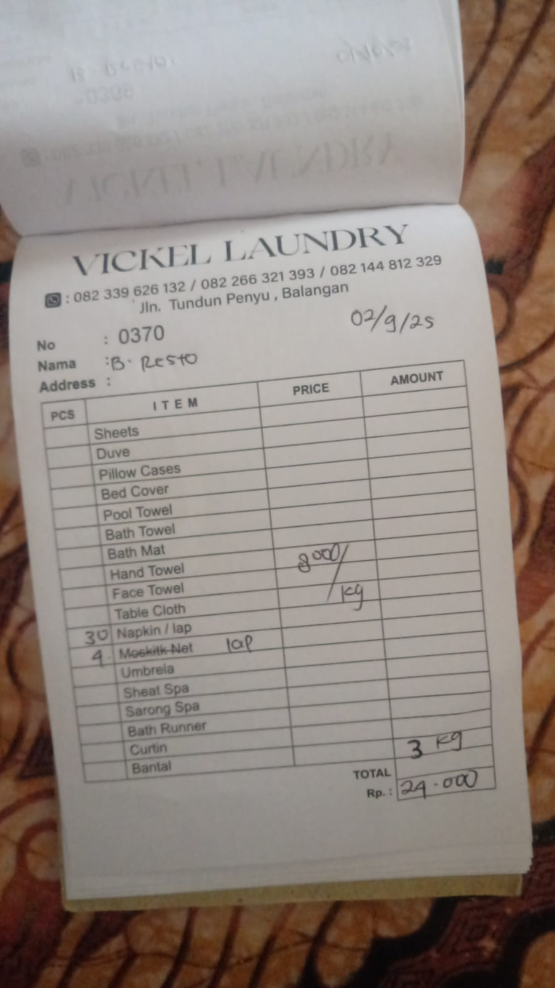 | IDR 24,000
2025-10-03 | 0371 | 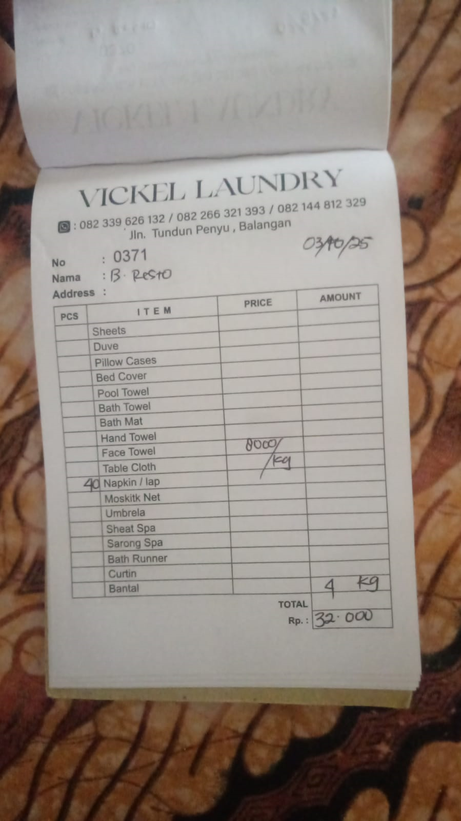 | IDR 32,000
2025-10-05 | 0372 |  | IDR 56,000
2025-10-06 | 0373 |  | IDR 32,000
2025-10-07 | 0374 |  | IDR 32,000
2025-10-08 | 0375 | 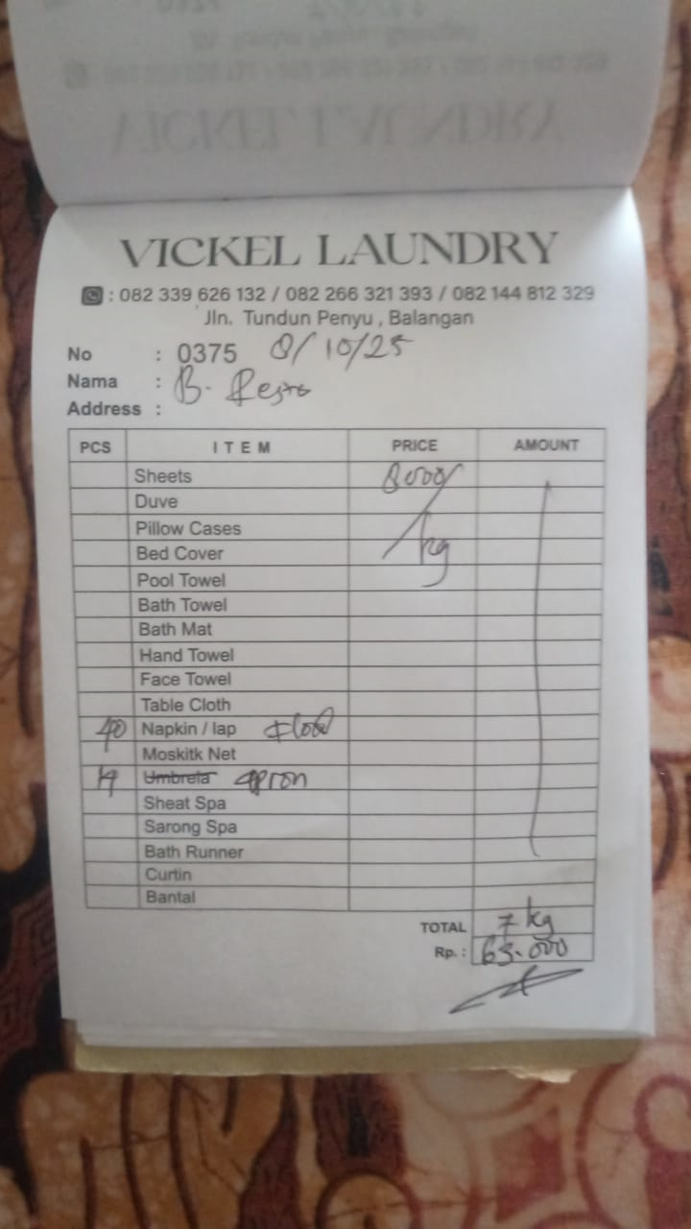 | IDR 63,000
2025-10-09 | 0376 | 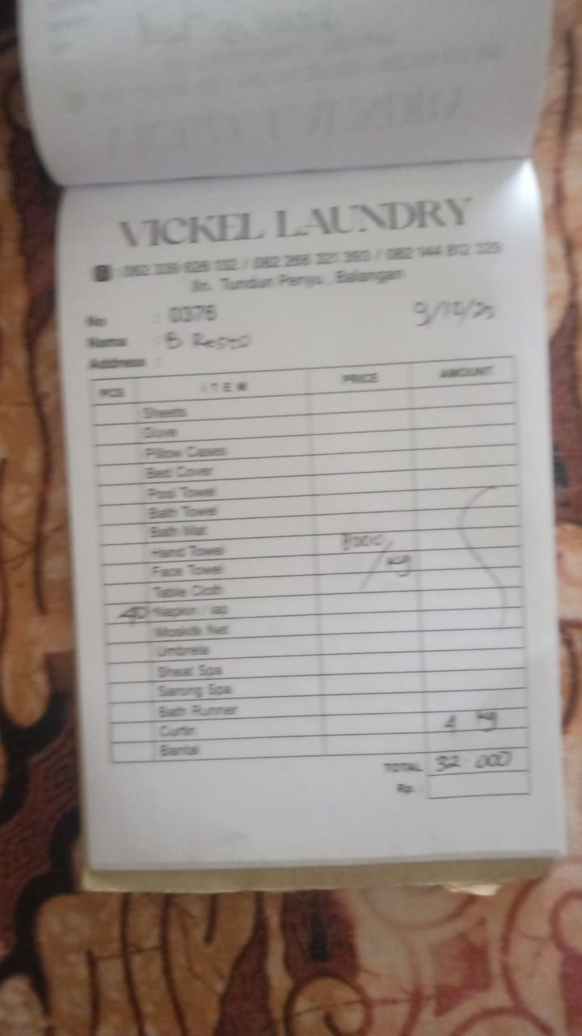 | IDR 32,000
2025-10-10 | 0377 | 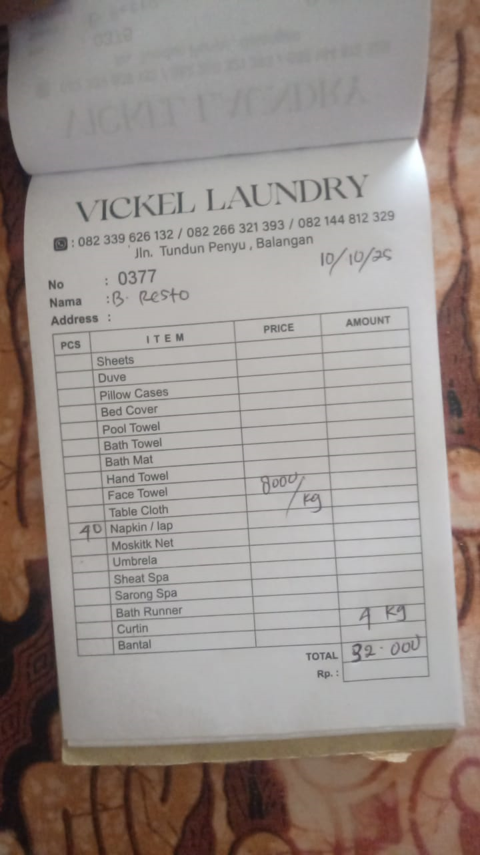 | IDR 32,000
2025-10-11 | 0378 | 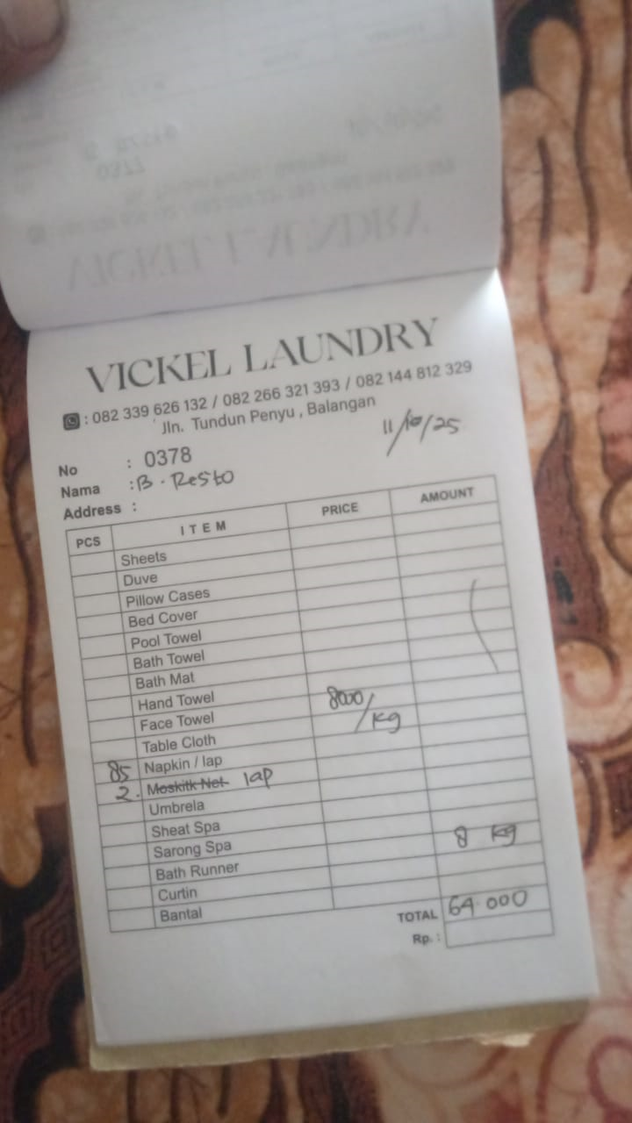 | IDR 64,000
2025-10-12 | 0379 | 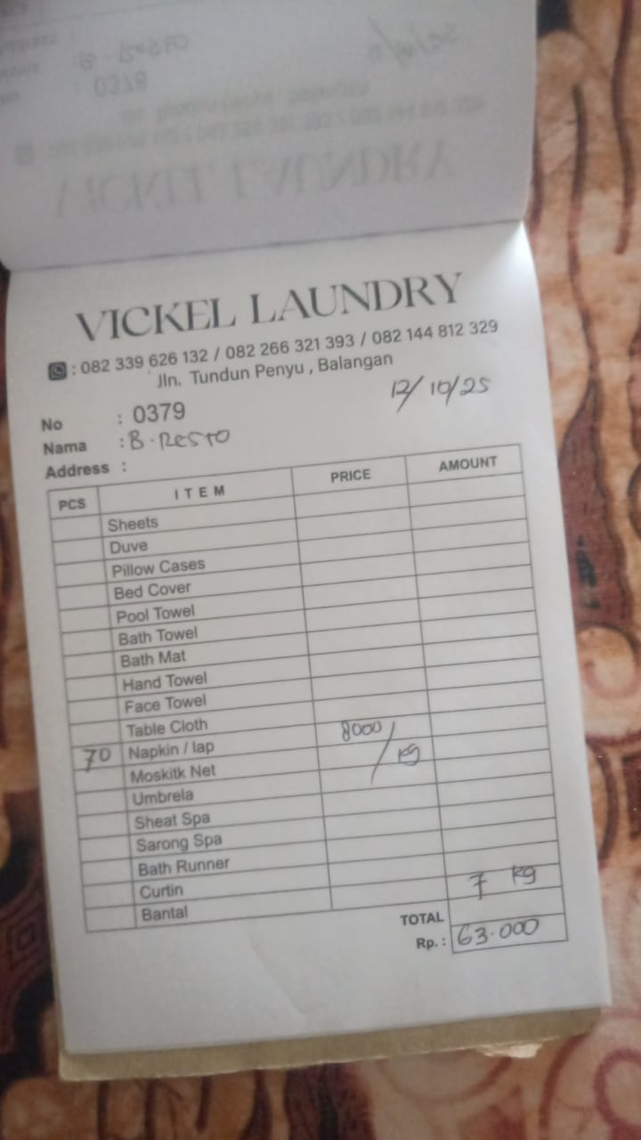 | IDR 63,000
2025-10-13 | 0380 | 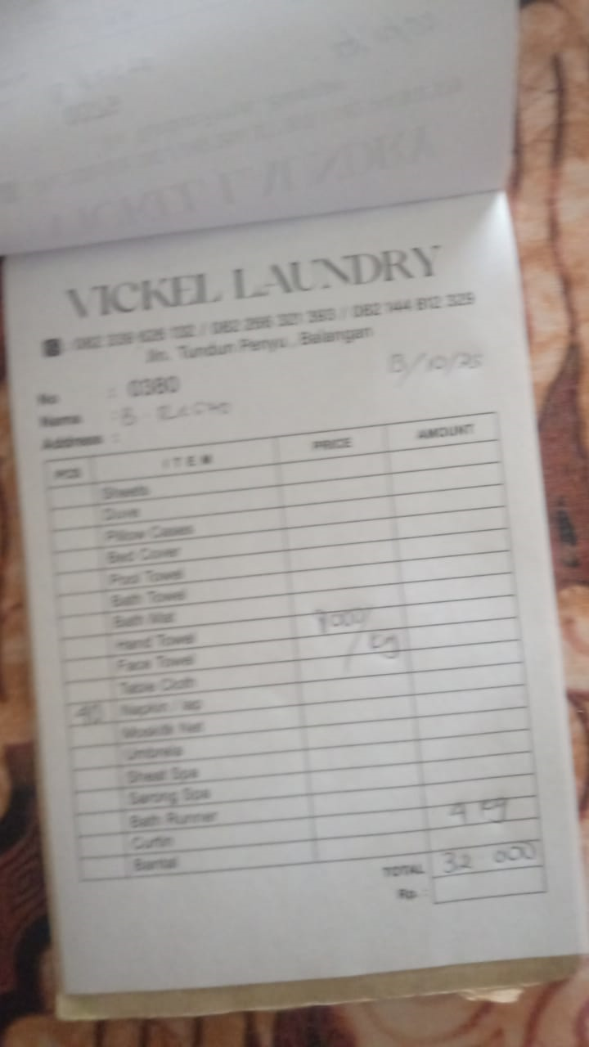 | IDR 32,000
2025-10-14 | 0381 |  | IDR 16,000
2025-10-17 | 0382 |  | IDR 72,000
2025-10-18 | 0383 |  | IDR 24,000
2025-10-20 | 0384 |  | IDR 71,000
2025-10-21 | 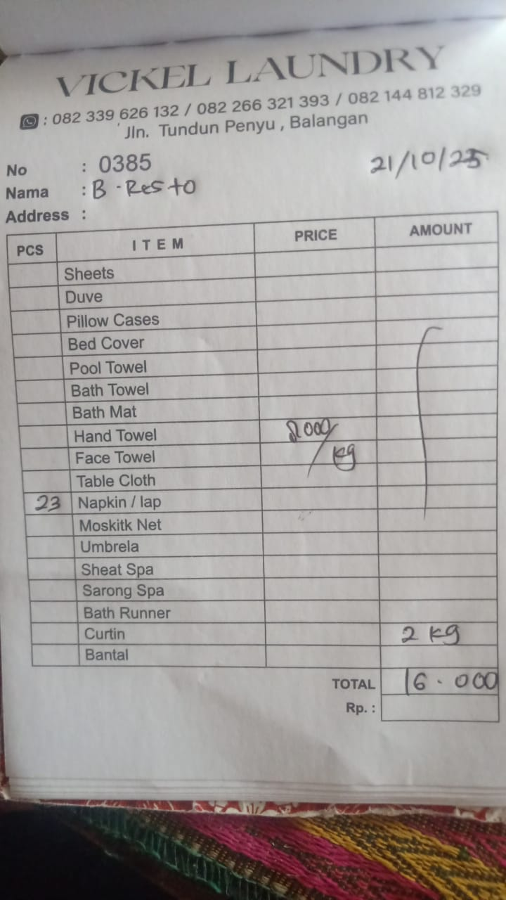 0385 |  | IDR 16,000
2025-10-22 | 0386 | 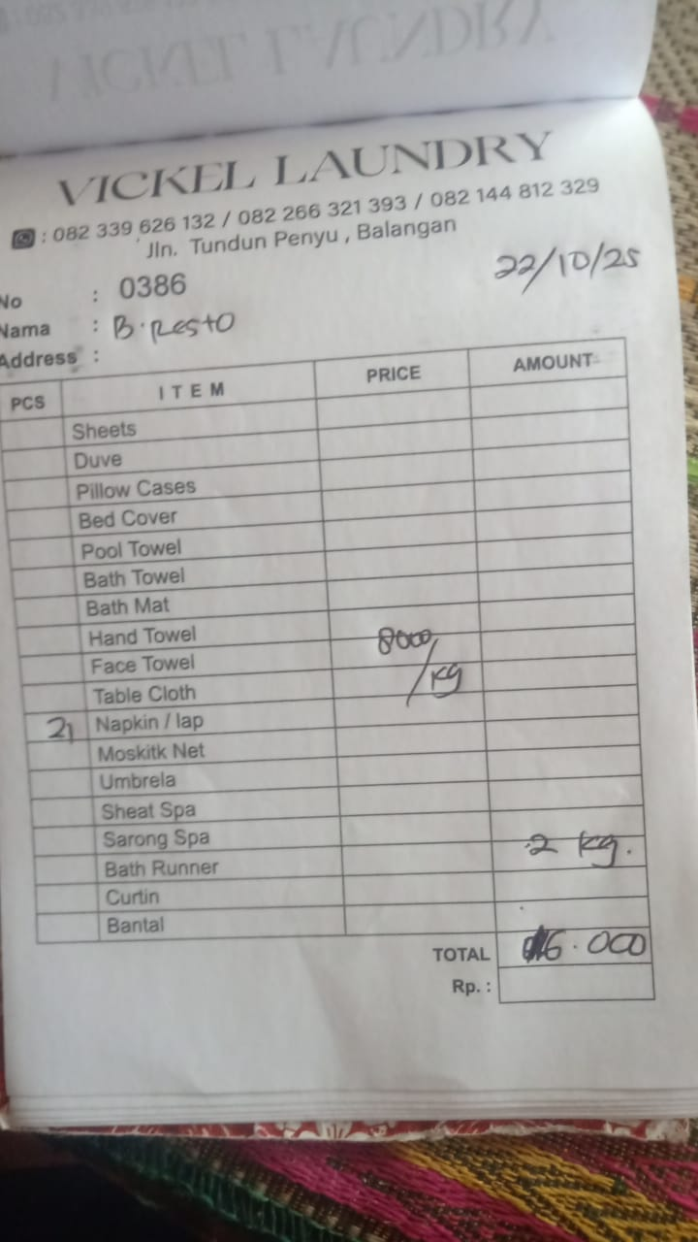 | IDR 16,000
2025-10-23 | 0387 | 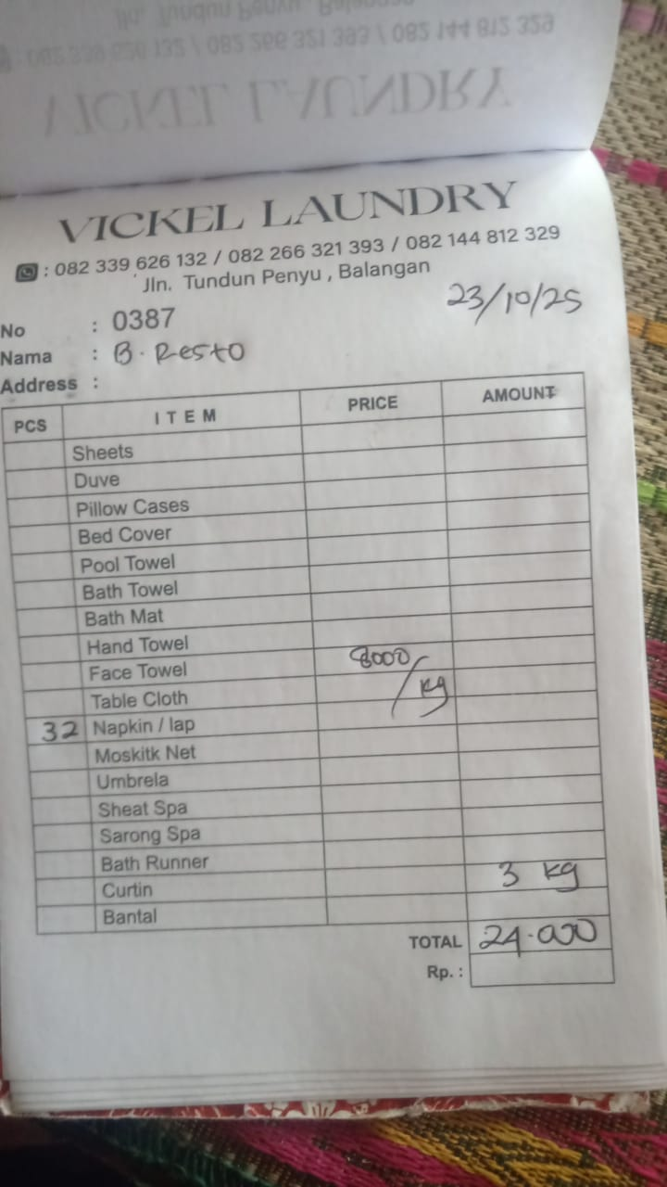 | IDR 24,000
2025-10-24 | 0388 | 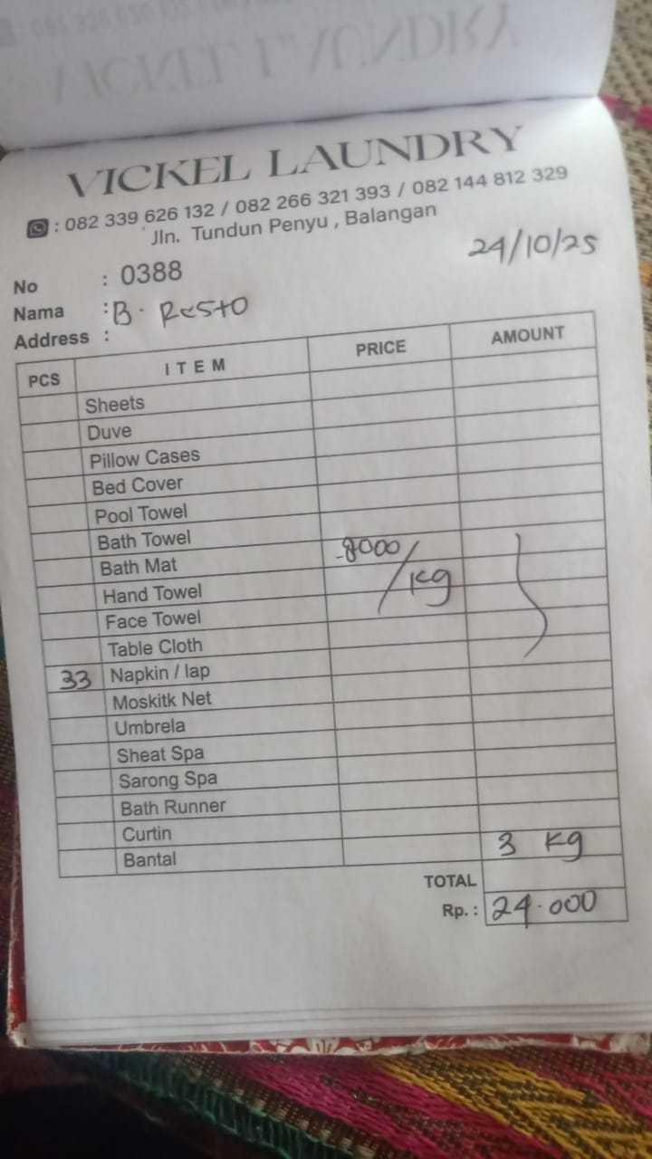 | IDR 24,000
2025-10-25 | 0389 | 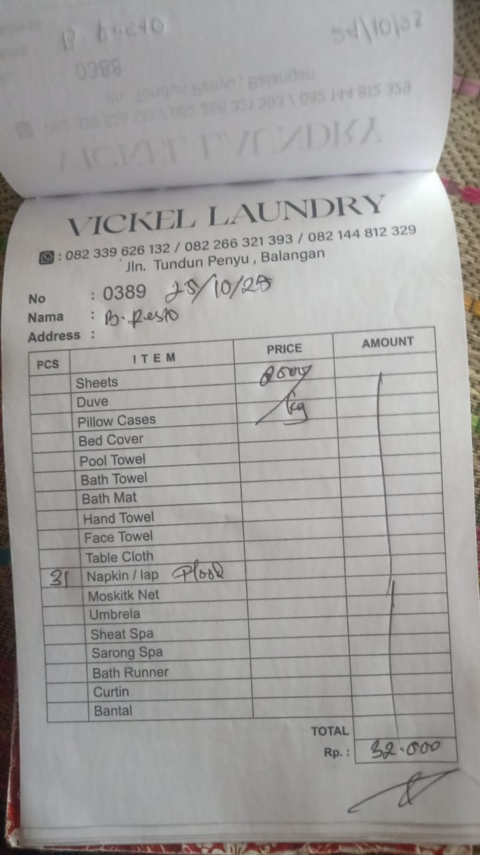 | IDR 32,000
2025-10-26 | 0390 | 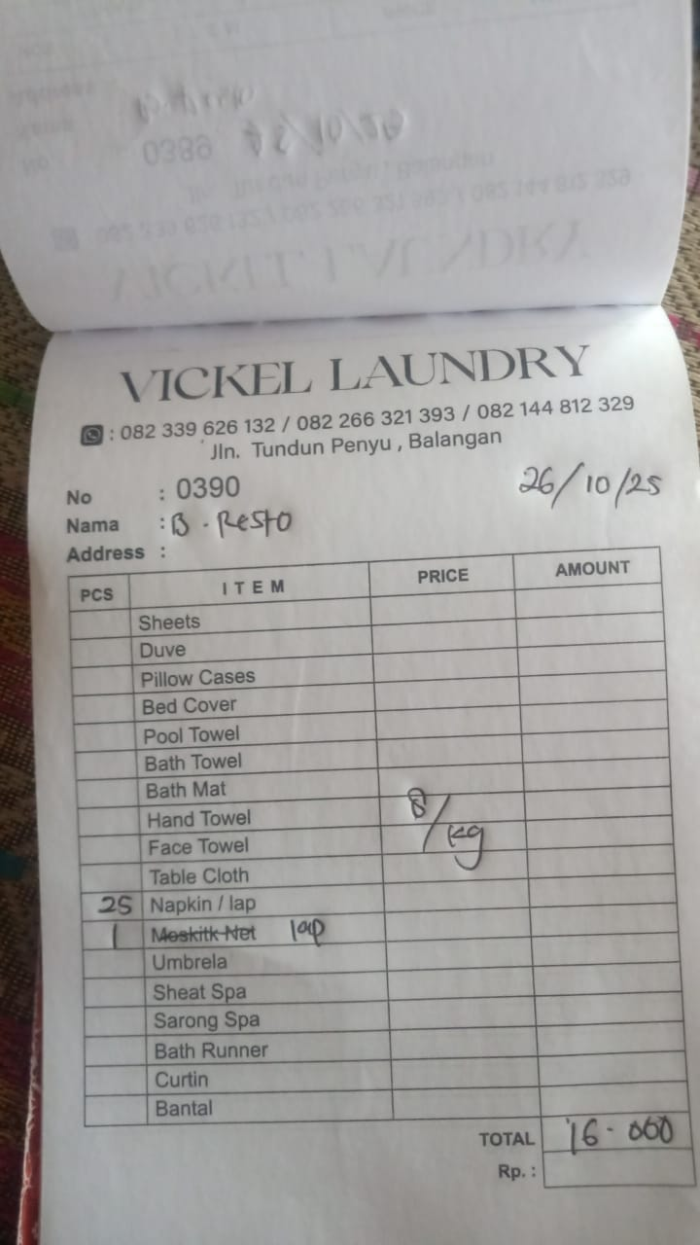 | IDR 16,000
2025-10-27 | 0391 | 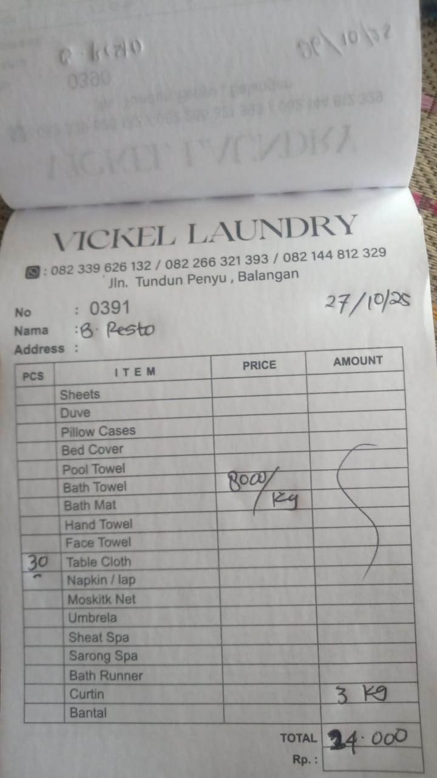 | IDR 24,000
2025-10-28 | 0392 | 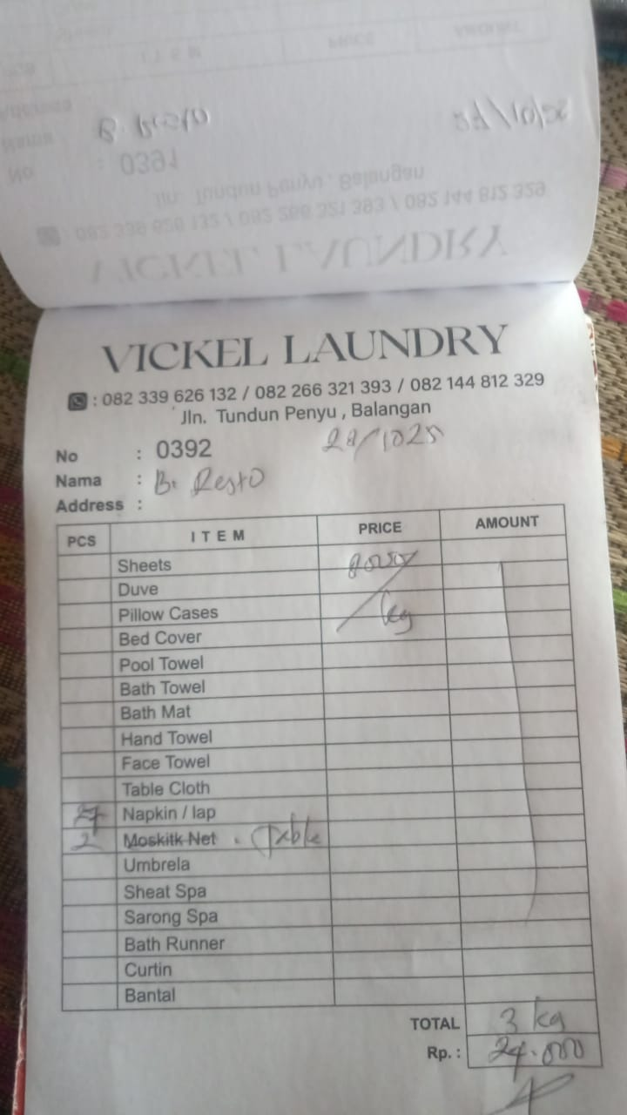 | IDR 24,000
2025-10-29 | 0393 | 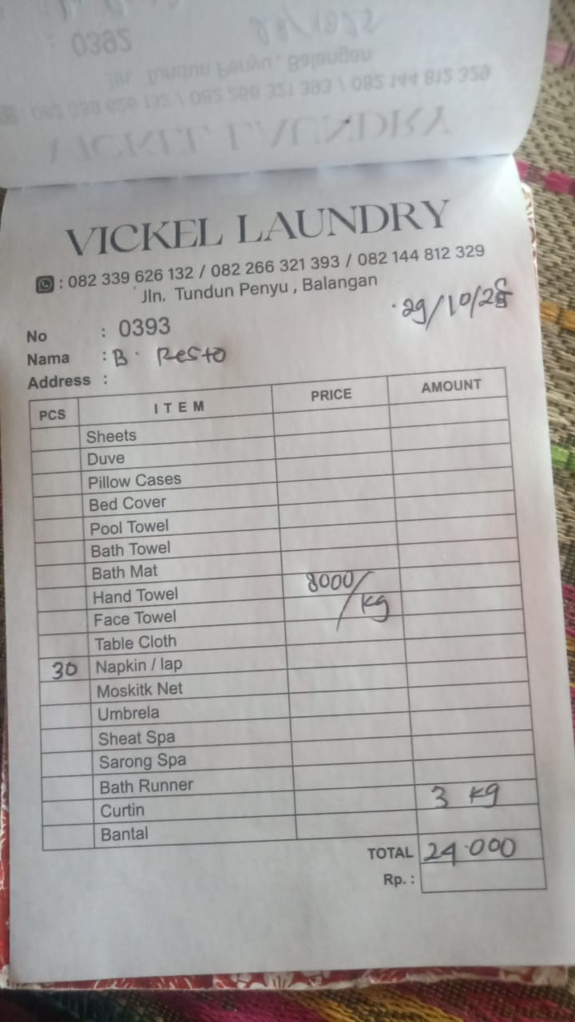 | IDR 24,000
 |  | Rp893,000

